Report
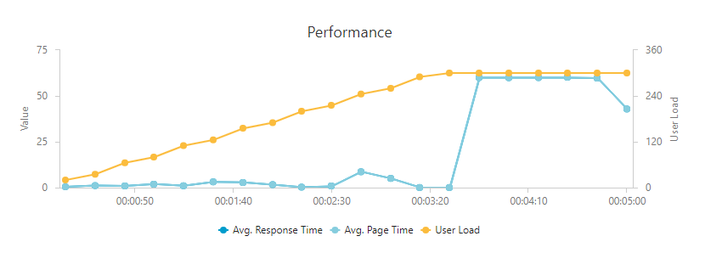
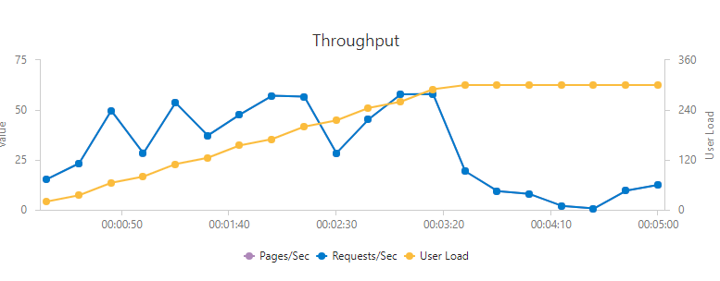
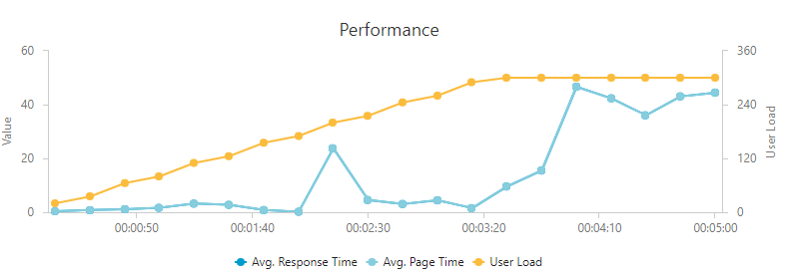
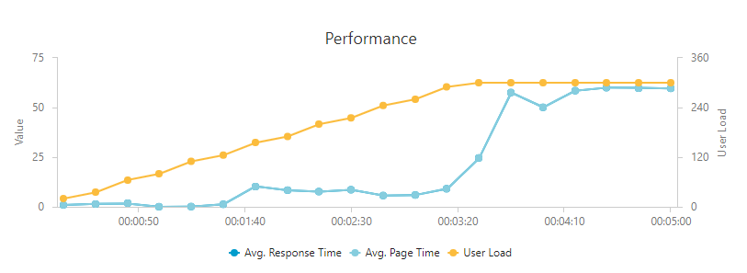
Store settings |  |  |  |  | Mixed S3 x 3 instances 300 users | Brand page S3 x 3 instances users
Seo link | Tax calculation | Quotes | Promotions
collapsed | False | False | 5
Catalog settings
Products | Categories | Properties | Associations | PropertyValues
9915 | 325 | 120 | 40000 | 200000
Platform settings
API Smart cache | API Full Index Object | FPC | Index engine | number of instances
true | false | CDN | ES | 1
Load pattern
Users | Duraton (min) | Load pattern
300 | 5 | step by step

 | S3 x 1 instance 85 users | S3 x 3 instance 300 users
Unique category page | 0.00 | 19.10
Unique product page | 0.00 | 51.60
Search by unique search phrase | 0.00 | 31.00
Unique brand page | 0.00 | 13.90
Mixed (category browsing 30%, product details 40%, Add product to cart 10%, Search by phrase 20%) | 16.40 | 27.90
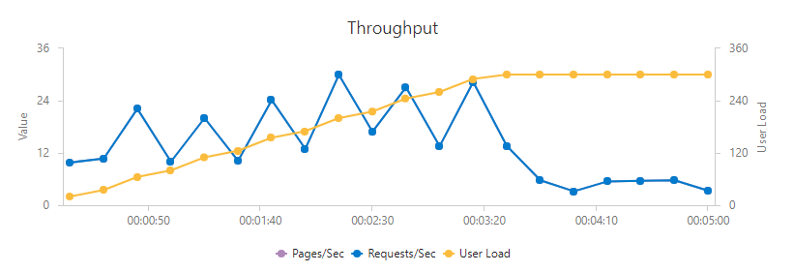

 | S3 x 1 instance 85 users | S3 x 3 instance 300 users
Unique category page | 0.00 | 6.30
Unique product page | 0.00 | 2.10
Search by unique search phrase | 0.00 | 5.80
Unique brand page | 0.00 | 11.90
Mixed (category browsing 30%, product details 40%, Add product to cart 10%, Search by phrase 20%) | 2.30 | 6.20
 |  |  |  |  | Category page S3 x 3 instances 300 users | Product detail S3 x 3 instance users
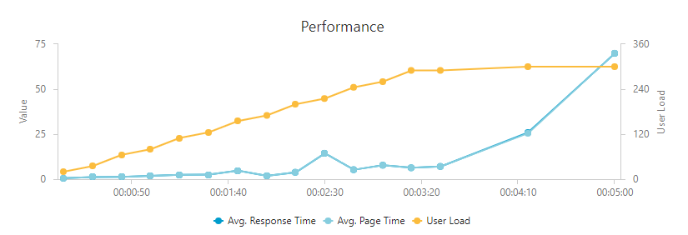
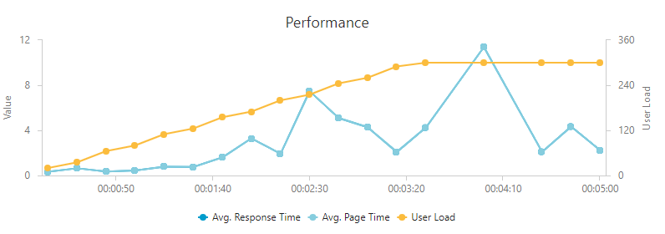

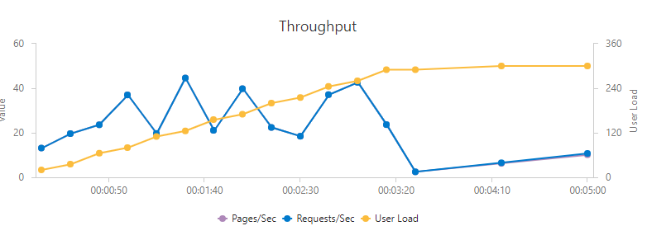
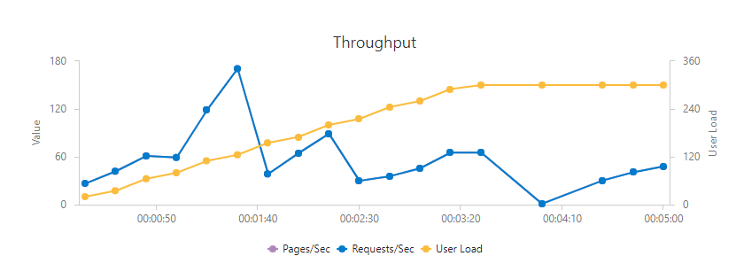

 |  |  |  |  | Search by keyword S3 x 3 instances 300 users

